Test cases
TE Name | Test case number | Test case name | Description | Test Steps | Test Data | Expected Result | Actual Result | Severity | Priority | Tested By | Test Status | Test Creation Date | Test Execution Date | DEFECT NO
Astha Rokade | TC_01 | Verify the login functionality | Verify the behavior of the login functionality when a user enter valid login ID and validPassword then click on login button. | 1.Open the Orange HRM application 2.Enter Username & password with lower case. 3.Click on login button. | UserID : Admin Password:admin123 | User Should login to the Home Page | User logged in to the Home Page | Medium | High | Astha Rokade | pass | 2025-02-14 | 2025-02-14
Astha Rokade | TC_02 | Verify the login functionality | Verify the behavior of the login functionality when a user enter only all Uppercase characters of loginID and valid password then click on login button. | 1.open the orange HRM application 2. Enter all uppercase characters of userID. 3.Enter valid password. 4.Click on login button. | UserID:ADMIN Password:admin123 | A pop up box of an error message should be visible. | A pop up box of an error message was not visible and user entered to home page. | High | Medium | Astha Rokade | Fail | 2025-02-14 | 2025-02-14 | TC_02_DT_001
Astha Rokade | TC_03 | Verify the login functionality | Verify the behavior of the login functionality when a user enter only all lowercase characters of loginID and valid password then click on login button. | 1.open the saucedemo application 2. Enter all lowercase characters of userID. 3.Enter valid password. 4.Click on login button. | UserID:admin Password:admin124 | A pop up box of an error message should be visible. | A pop up box of an error message was not visible and user entered to home page. | High | Medium | Astha Rokade | Fail | 2025-02-14 | 2025-02-14 | TC_03_DT_002
Astha Rokade | TC_04 | Verify Home Page Fucntionality | Verify the Home Functionality | 1.Login to Home Page |  | User Should be navigate to the Home Page | User Naviagated to the Home Page | Medium | High | Astha Rokade | pass | 2025-02-14 | 2025-02-14
Astha Rokade | TC_05 | Verify Home Page Fucntionality | Verify the functionality of each and every element on the Home Page | 1.Click on the element of Home Page 2. check whterher user naviagate to new page |  | User should abe to click on the elements and navigate to new page | User was abe to click on the elements and navigate to new page | Medium | High | Astha Rokade | pass | 2025-02-14 | 2025-02-14
Astha Rokade | TC_06 | Verify the user profile functionality | Verify the functionality of each and every element on the My info | 1.Click on the personal detail included in My info |  | User should be able to edit their personal detail | user was able to edit their personal detail | Medium | High | Astha Rokade | pass | 2025-02-14 | 2025-02-14
Astha Rokade | TC_07 | Verify the user profile functionality | Verify the functionality of each and every element on the My info | 1.Click on the profile picture included in My info |  | User should able to Change their Profile Picture | User was able to change their profile picture | Medium | High | Astha Rokade | pass | 2025-02-14 | 2025-02-14
Astha Rokade | TC_08 | Verify the user profile functionality | Verify the functionality of each and every element on the My info | 1.Enter alphabetical values in the zip code 2. Enter any letters in the state field. |  | User should get an error message "zip code accepets only numeric value" | user didn't get any error message | High | Medium | Astha Rokade | Fail | 2025-02-14 | 2025-02-14 | TC_08_DT_003
Astha Rokade | TC_09 | Verify the user profile functionality | Verify the functionality of each and every element on the My info | 1. Enter any numeric value in city or something else |  | User should get an error message"City field required a valid city name" | user didn't get any error message | High | Medium | Astha Rokade | Fail | 2025-02-14 | 2025-02-14 | TC_09_DT_004
Astha Rokade | TC_10 | Verify the user profile functionality | Verify the functionality of each and every element on the My info | 1.Click on the Qualification included in My info |  | User should be able to add and remove the qualification | user was able to add and remove the qualificartion | Medium | High | Astha Rokade | pass | 2025-02-14 | 2025-02-14
Astha Rokade | TC_11 | Verify the Upgrade Page Functionality | Verify Upgrade to OrangeHRM Advanced! | 1.Click on the Book a free demo button |  | User should be able to click on the Booka a free demo button and fill their personal detail | user was able to click on the book a free demo button and filled their personal detail | Medium | High | Astha Rokade | pass | 2025-02-14 | 2025-02-14
Astha Rokade | TC_12 | Verify the Upgrade Page Functionality | Verify Upgrade to OrangeHRM Advanced! | 1 . Enter the personal detail . |  | a pop up box of an error message should be visible while entering wrong email | a pop up box of an error message was visible while entering wrong email | Medium | High | Astha Rokade | pass | 2025-02-14 | 2025-02-14
Astha Rokade | TC_13 | Verfiy the Dashboard page functionality | Verify the each and every web element on dashboard | 1. Click on element on Dashboard |  | User should be able to click on the elements in the dashboard and naviagate to that page | User was able to click on the elements in the dashboard and naviagate to that page | Medium | High | Astha Rokade | pass | 2025-02-14 | 2025-02-14
Astha Rokade | TC_14 | Validate the Requirement Page Functionality | Verify the Requrement page Functionality | 1. Click on Candidate personal detail |  | User should be able to search the candidate by applying their detail | User was able to search the candidate by applying their detail | Medium | High | Astha Rokade | pass | 2025-02-14 | 2025-02-14
Astha Rokade | TC_15 | Validate the Requirement Page Functionality | Verify the Requrement page Functionality | 1. Click on Candidate vacanices Button |  | User should able to add the vacancies | User was able to add the vacancies | Medium | High | Astha Rokade | pass | 2025-02-14 | 2025-02-14
Astha Rokade | TC_16 | Validate the Requirement Page Functionality | Verify the Requrement page Functionality | 1. Click on Candidate personal detail |  | User should be able to search the new vacancies which was added reccently | User was not able to search the vacancies which were added recently | High | Medium | Astha Rokade | Fail | 2025-02-14 | 2025-02-14 | TC_16_DT_005
Astha Rokade | TC_17 | Validate the leave management functionality | Verify the Leave Management Functionality | 1.Click on all the tabs under leave Management 2.Check every tab working properly |  | User should be able to click on all the web elements under leave tab and navigate accordingly. | User was able to click on all the web elements under leave tab and navigate accordingly. | Medium | High | Astha Rokade | pass | 2025-02-14 | 2025-02-14
Astha Rokade | TC_18 | Validate the Time Tracking Functionality | Verify the Time Tracking Functionality | 1.Click on Time tab 2. Check each and every web element under time functionality. |  | User should be able to create the new timesheet and edit the timesheet . | User was able to create new timesheet & edit the timesheet | Medium | High | Astha Rokade | pass | 2025-02-14 | 2025-02-14
Astha Rokade | TC_19 | Validate the Buzz page functionality | Verify the Buzz Page Functionality | 1.Click on share image or share photos /post |  | User should able to share post with photos in png,jpg format | user was able to share post with photos in png,jpg format | Medium | High | Astha Rokade | pass | 2025-02-14 | 2025-02-14
Astha Rokade | TC_20 | Validate the Buzz page functionality | Verify the Buzz Page Functionality | 1.Click on share video . |  | User should able to share url of video with caption | User was able to share url of video with caption | Medium | High | Astha Rokade | pass | 2025-02-14 | 2025-02-14
Astha Rokade | TC_21 | Validate the Buzz page functionality | Verify the Buzz Page Functionality | 1.Click on share post |  | User should able to share the post | User was not able to share the post | High | Medium | Astha Rokade | Fail | 2025-02-14 | 2025-02-14 | TC_14_DT_006
Astha Rokade | TC_22 | Validate the logout functionality | Verify log out functionality | 1.Click on logout option |  | User should be able to logout the page and navigate to the login page | User was able to logout the page and navigate to the login page | Medium | High | Astha Rokade | pass | 2025-02-14 | 2025-02-14
Astha Rokade | TC_23 | Validate the search functionality | Verify the search functionality | 1. Click on search tab 2. search different option given in menu |  | User should able to search the item or options | User was able to search the item or options | Medium | High | Astha Rokade | pass | 2025-02-14 | 2025-02-14

 |  |  |  |  |  |  |  |  |  |  |  |  |  | 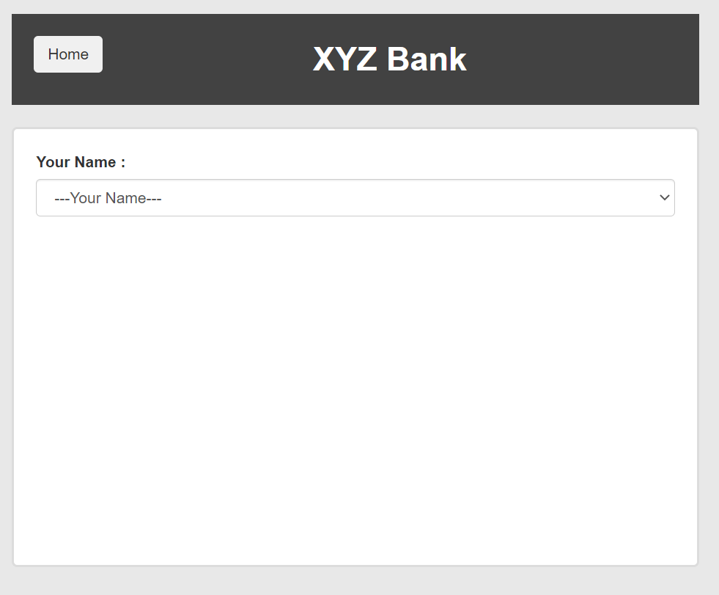
 |  |  |  |  |  |  |  |  |  |  |  |  |  | 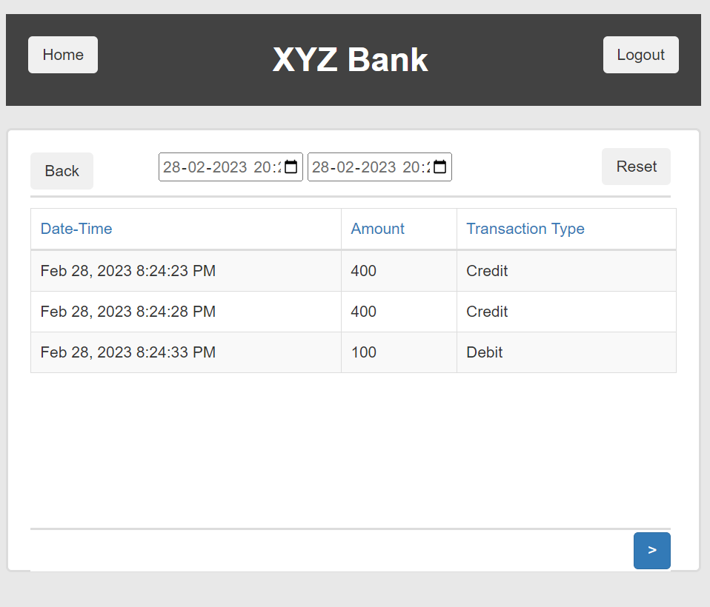

 |  |  |  |  |  |  |  |  |  |  |  |  |  | 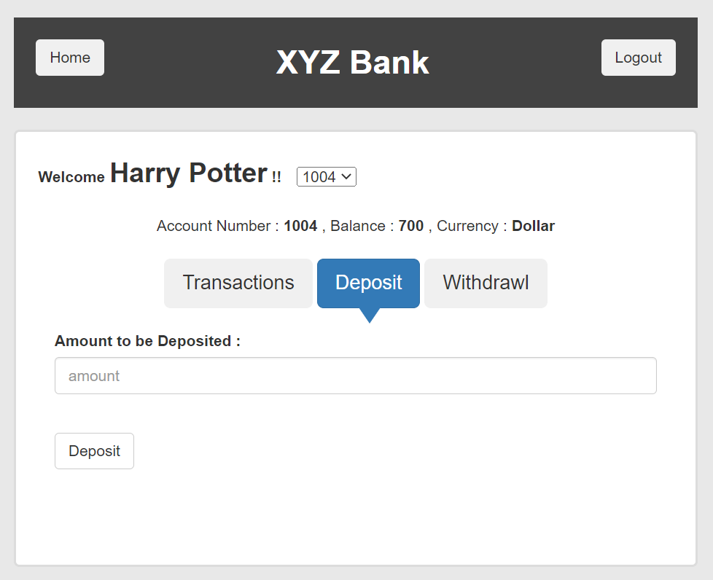 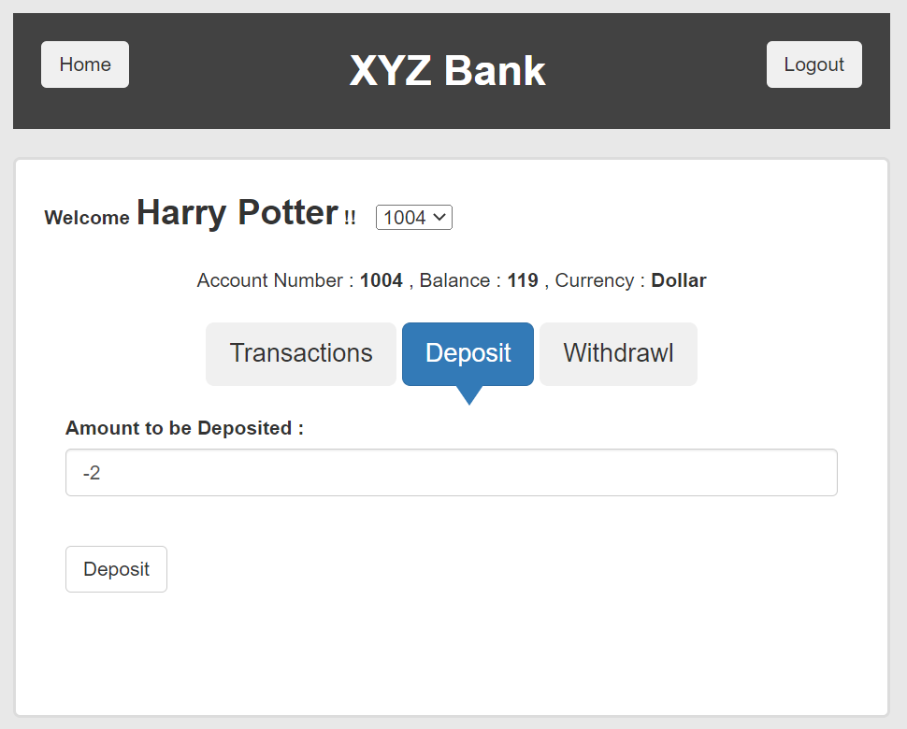
 |  |  |  |  |  |  |  |  |  |  |  |  |  | 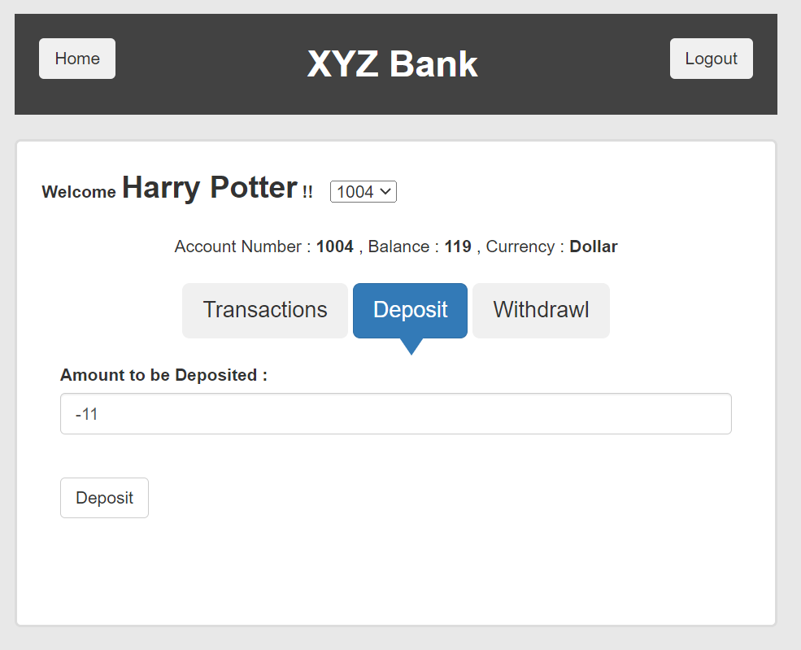

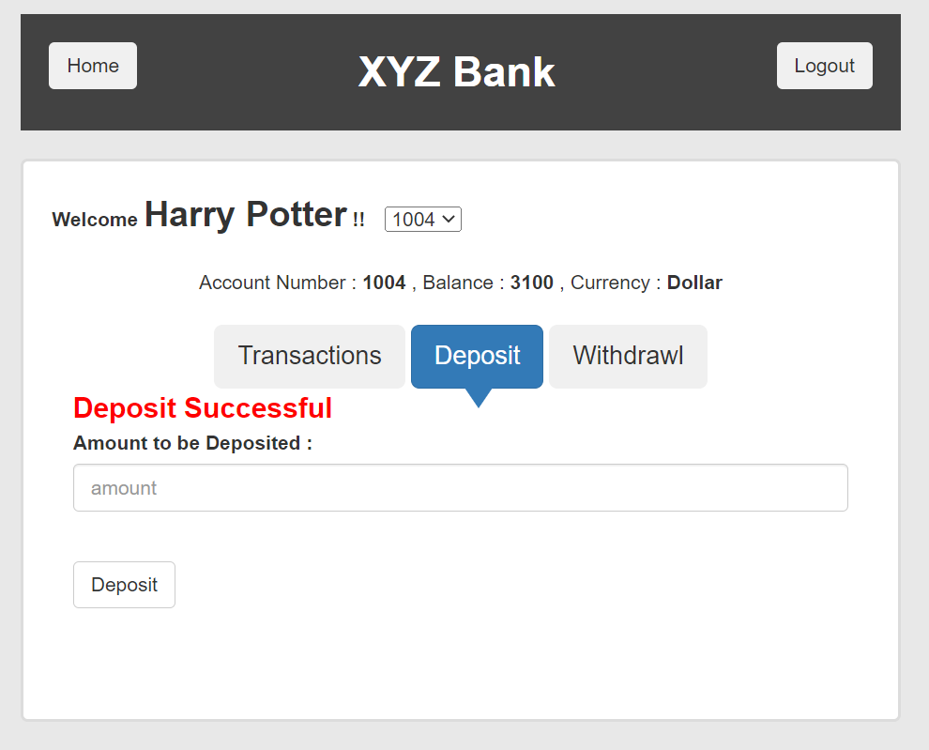

 |  |  |  |  |  |  |  |  |  |  |  |  |  | 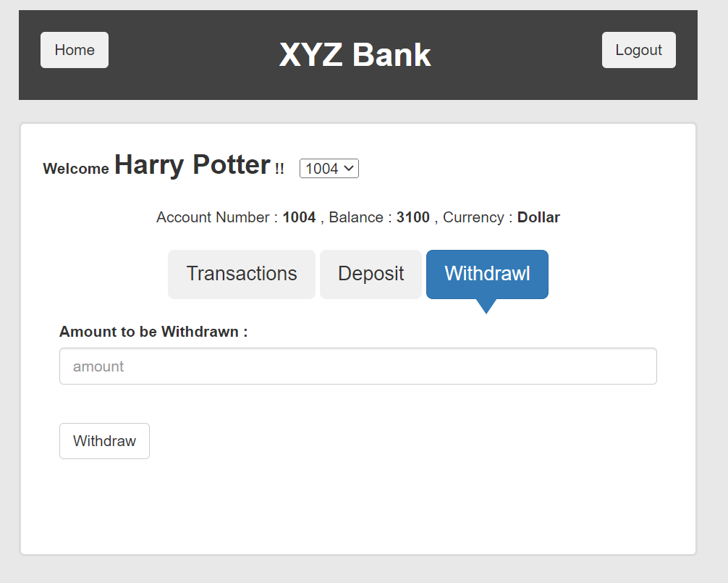  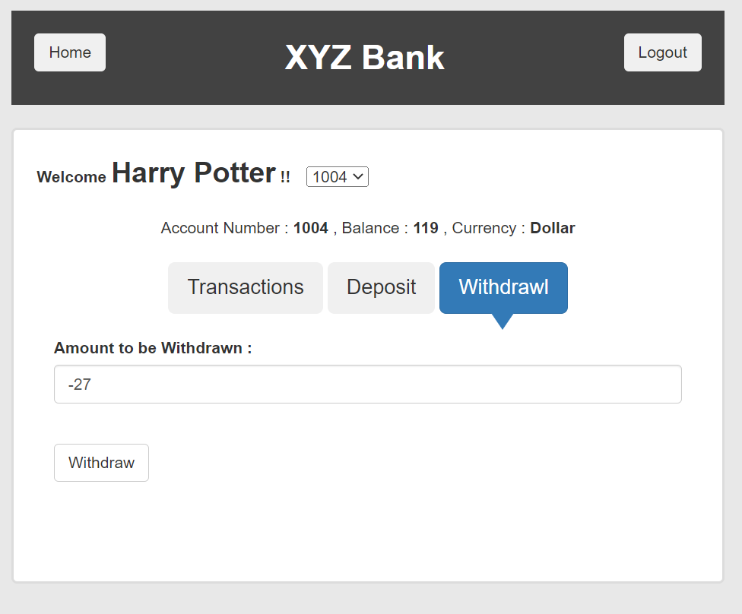
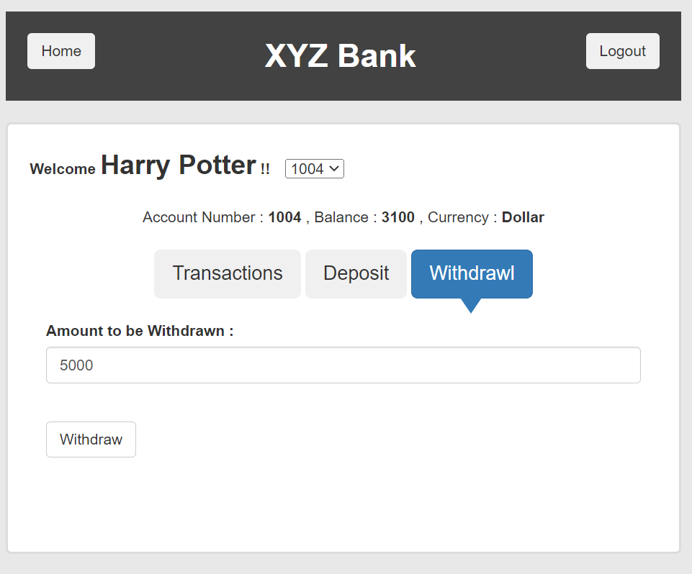

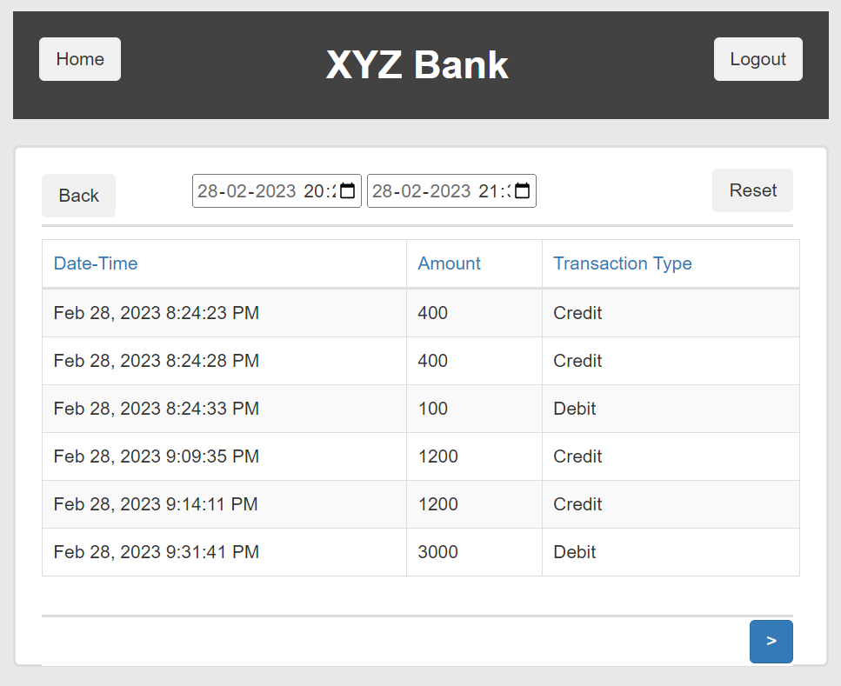

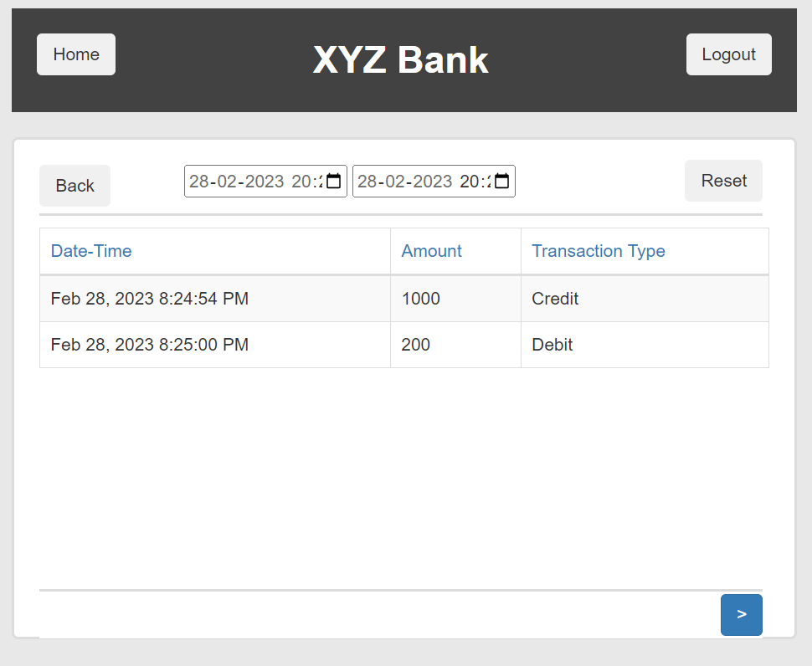

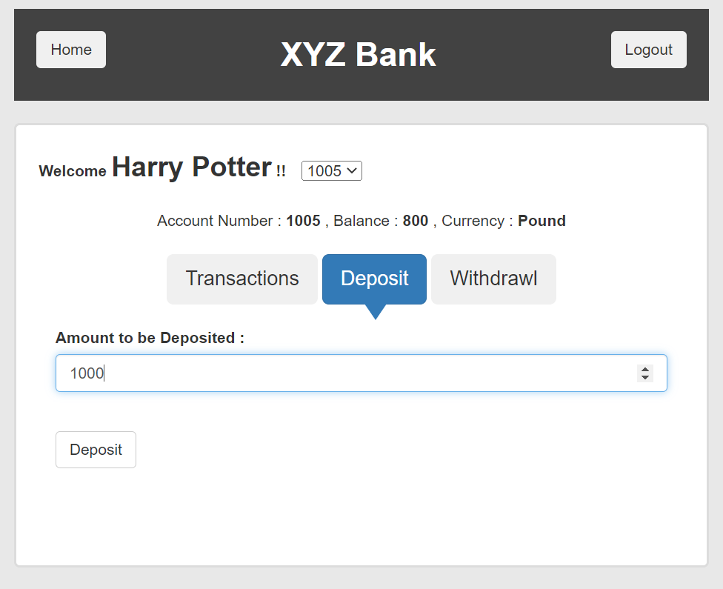
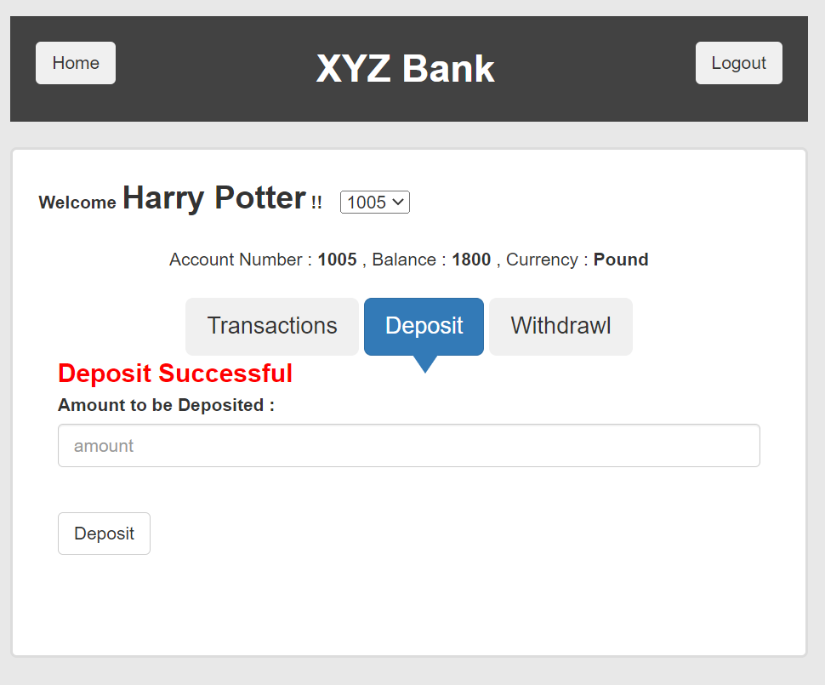

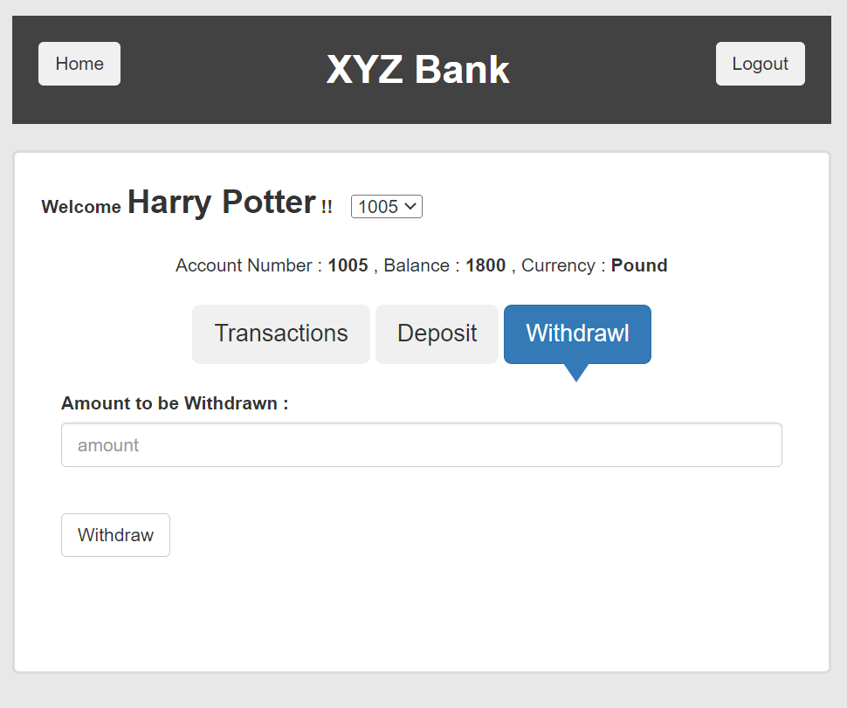

 |  |  |  |  |  |  |  |  |  |  |  |  |  | 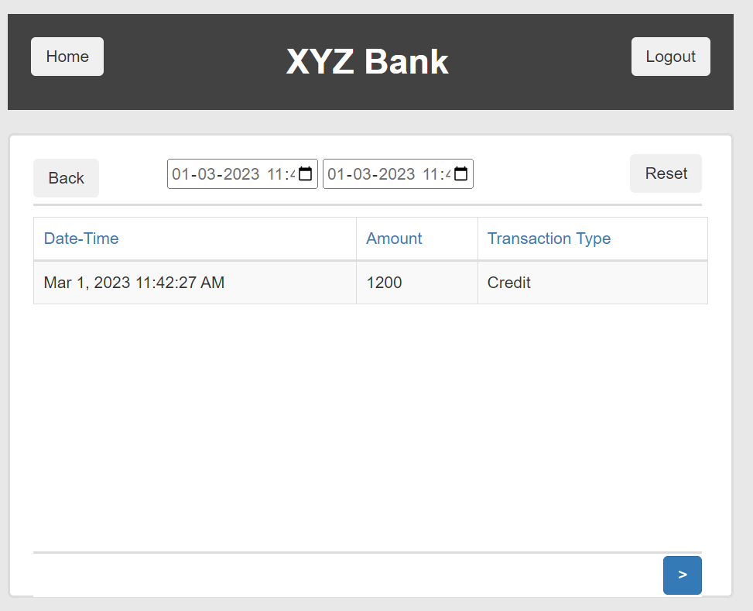

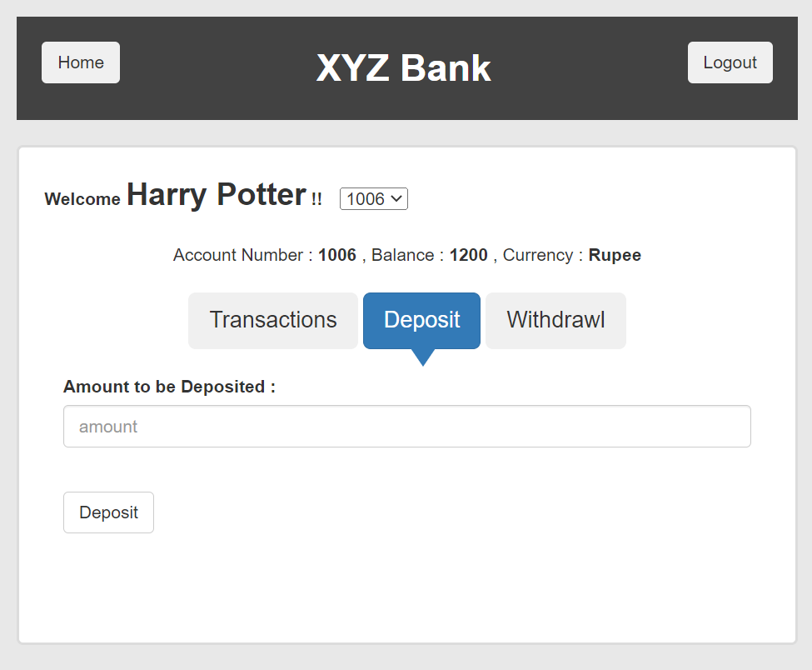
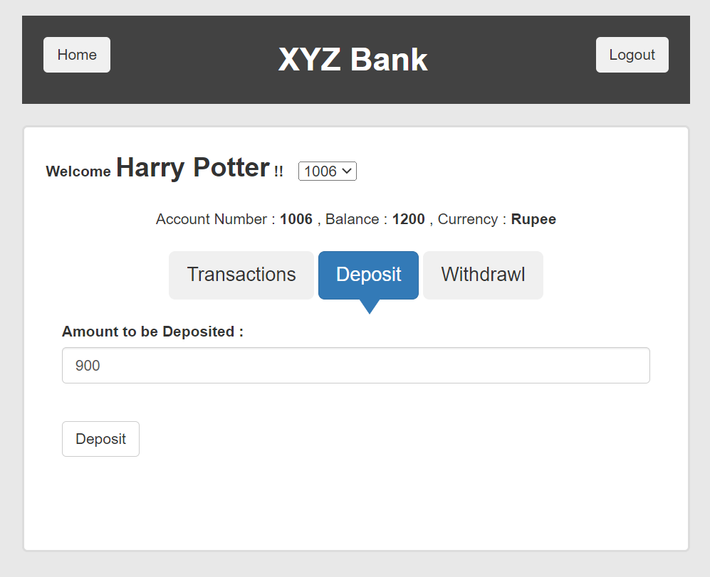
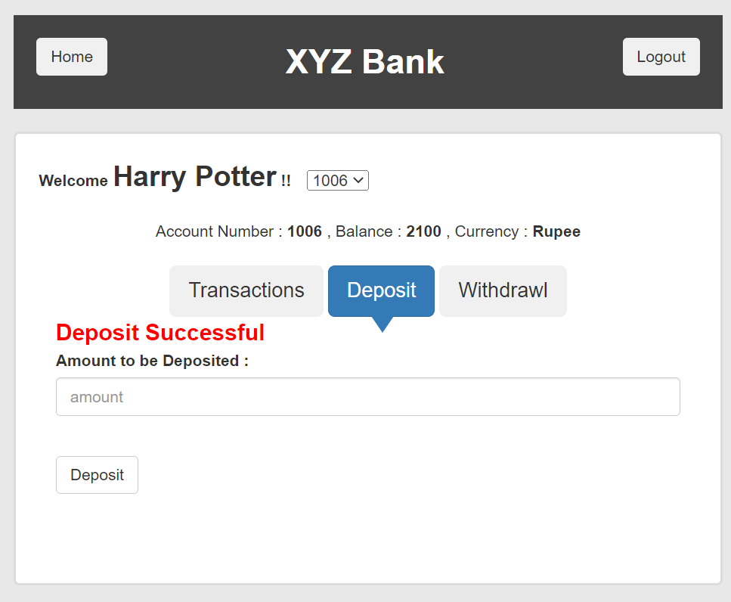

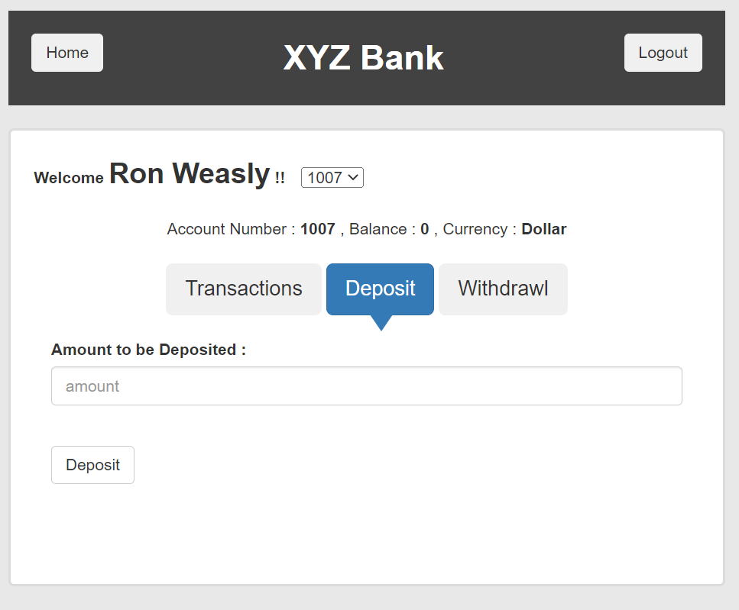
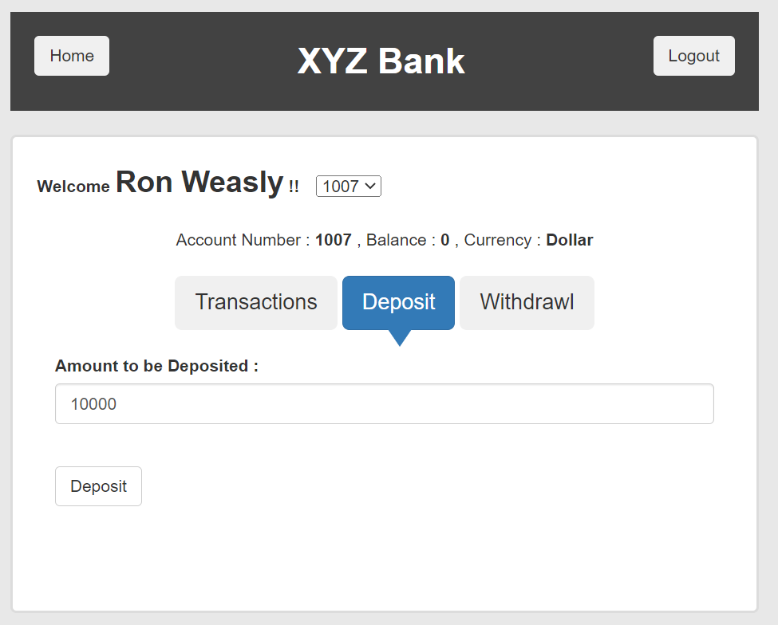
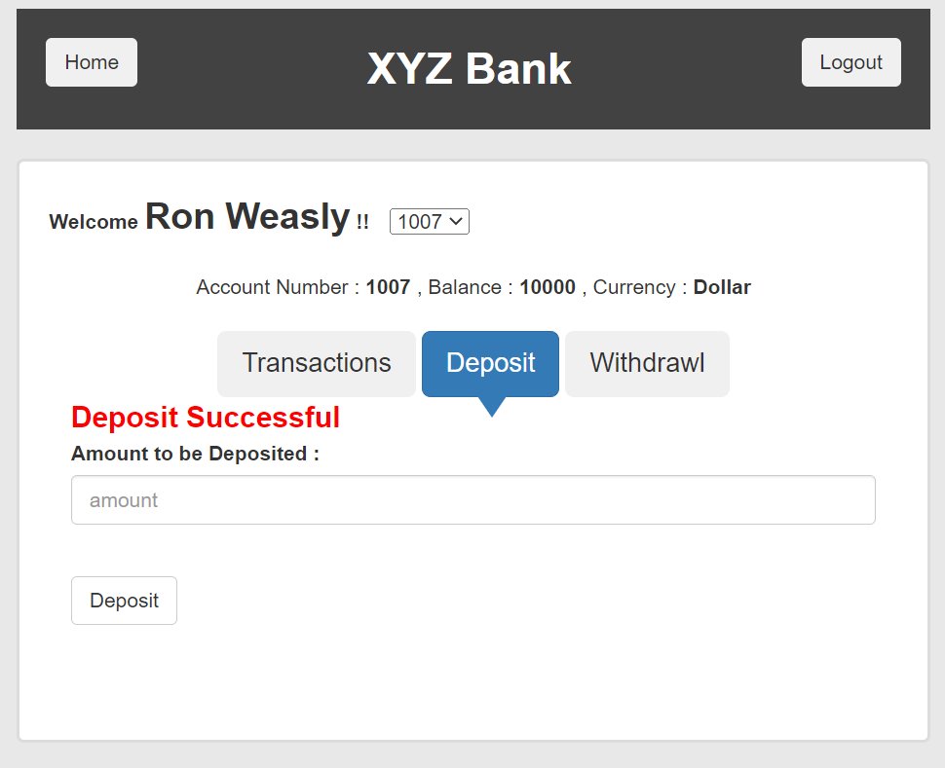

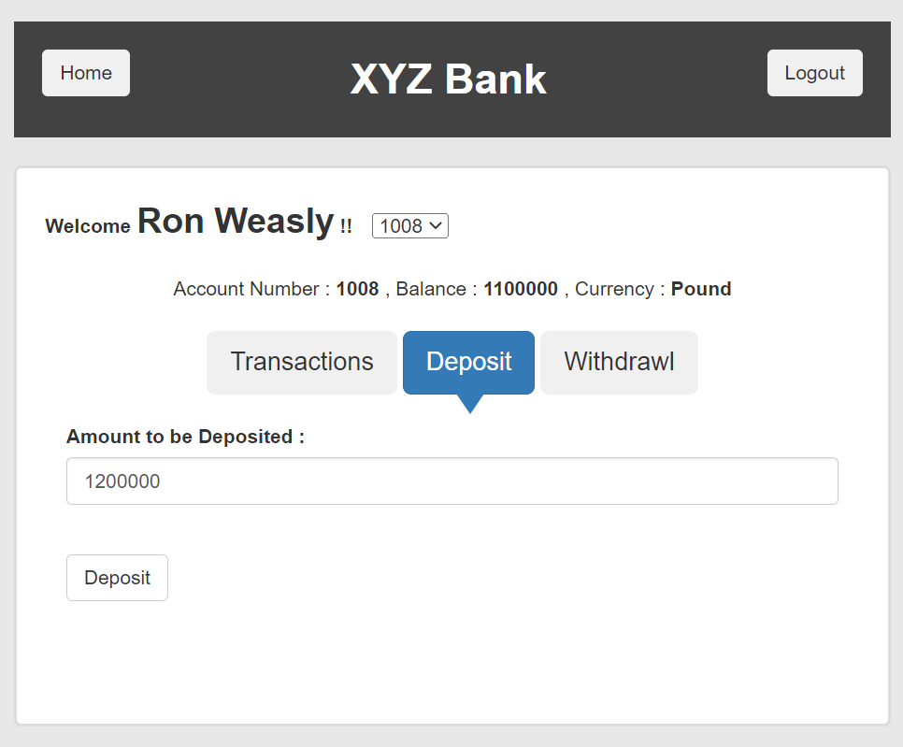

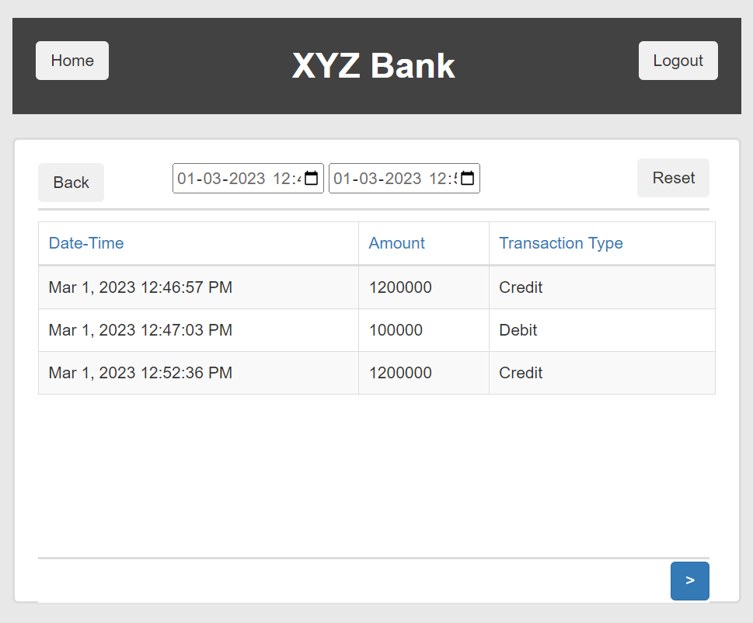

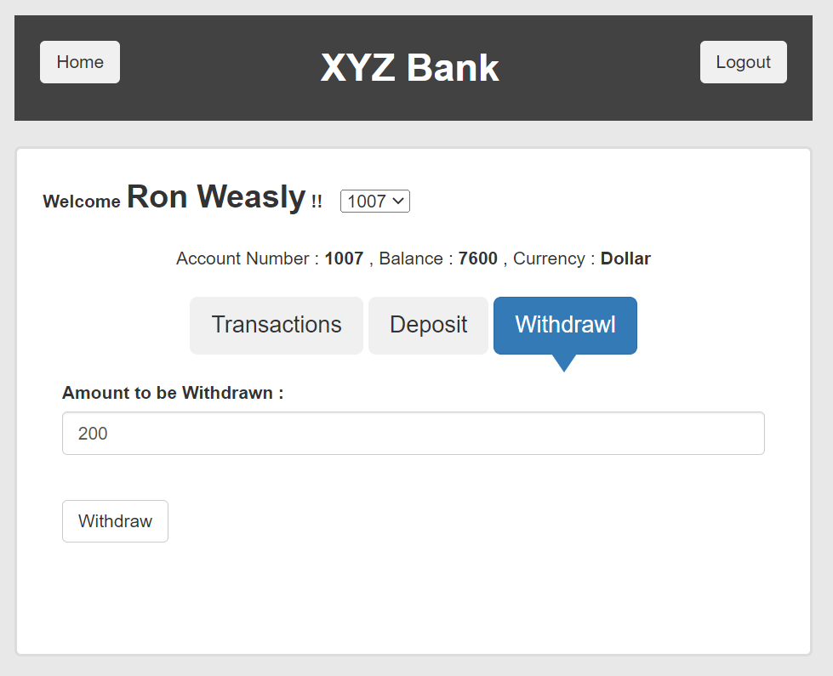
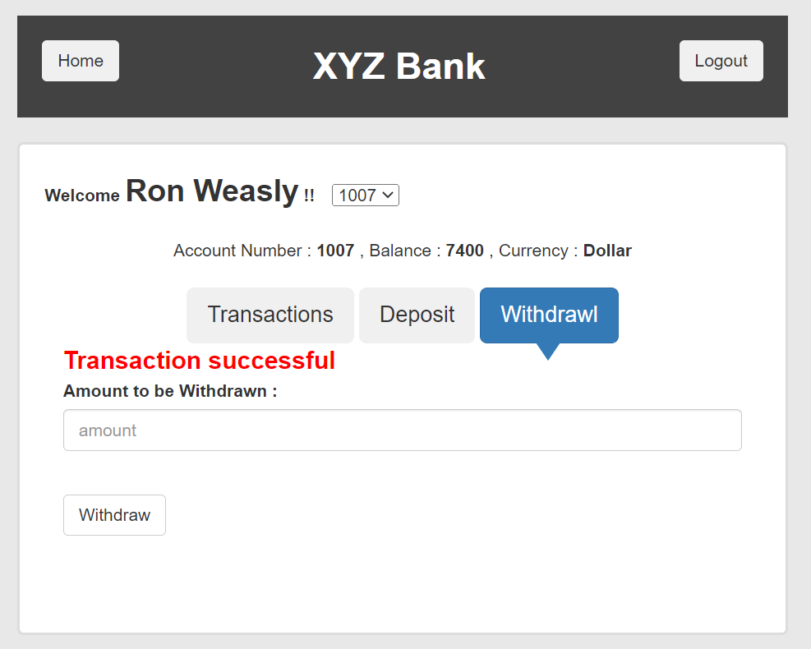
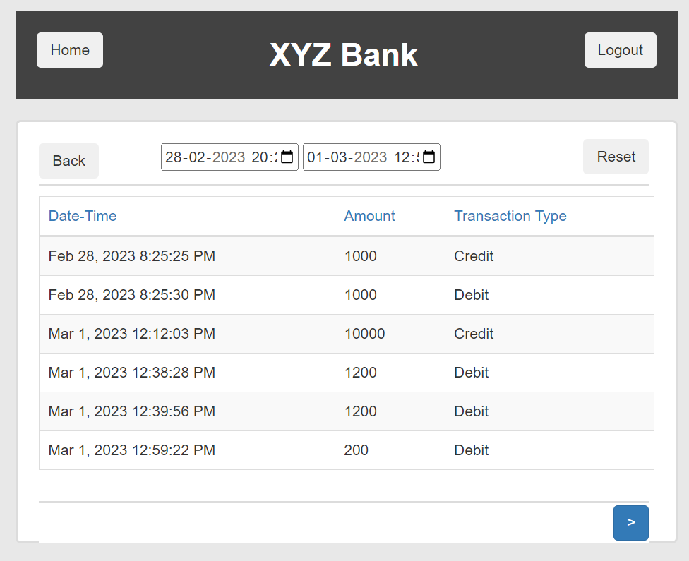
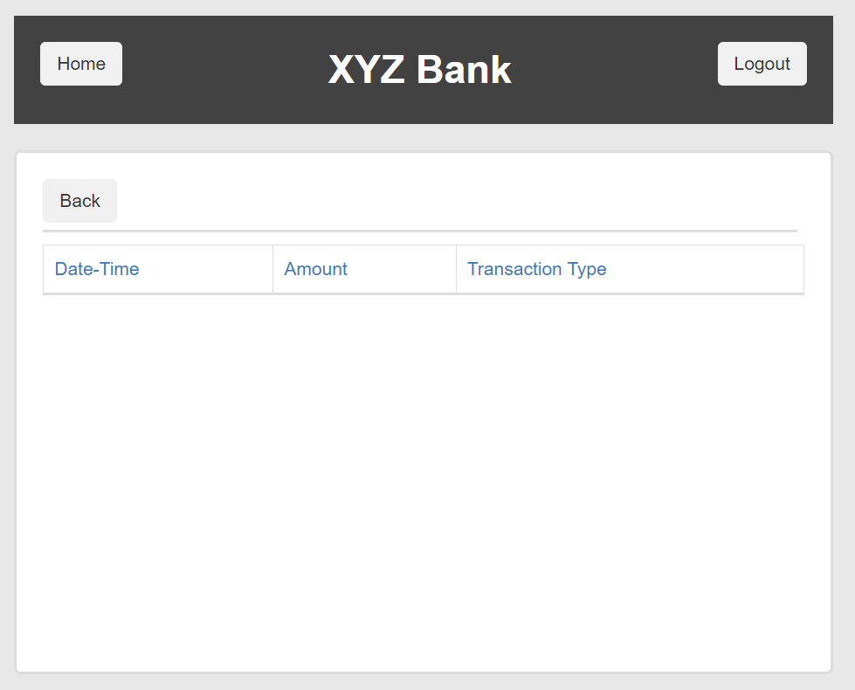
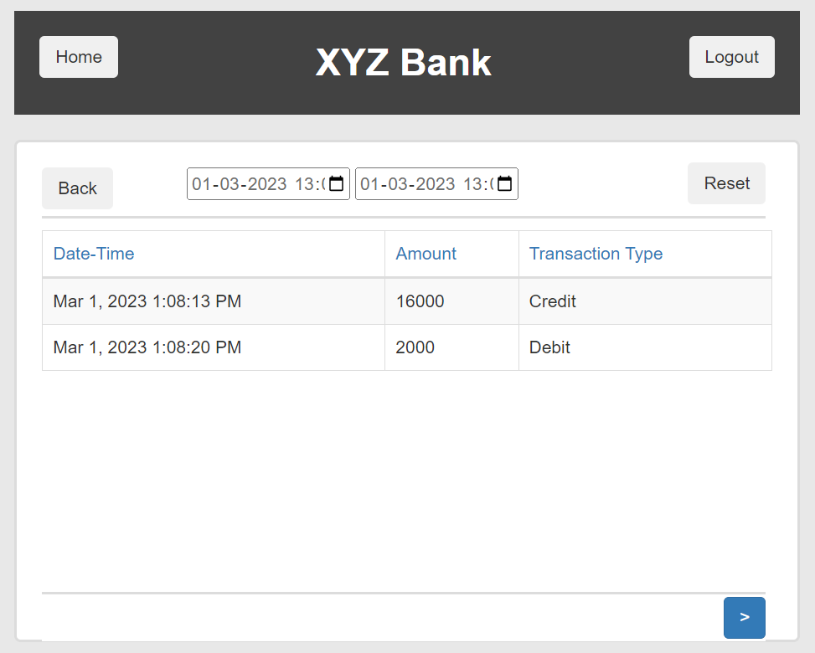
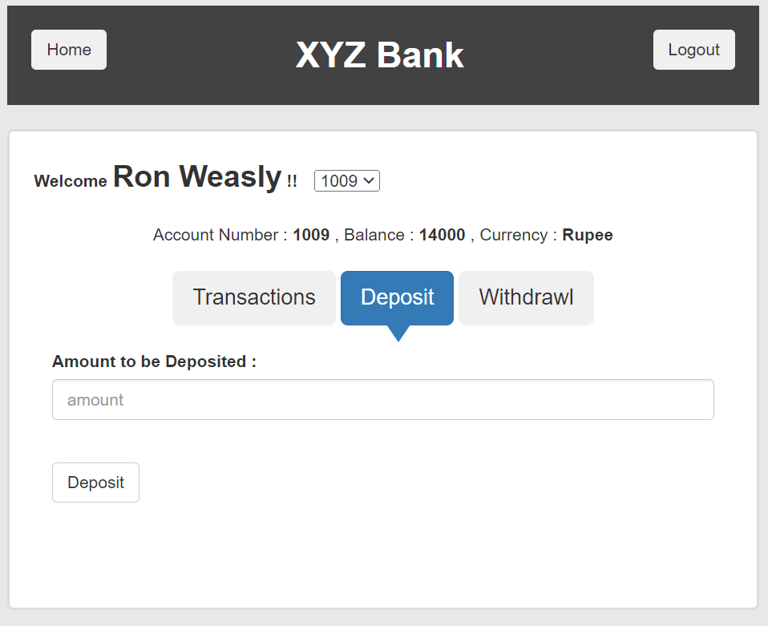
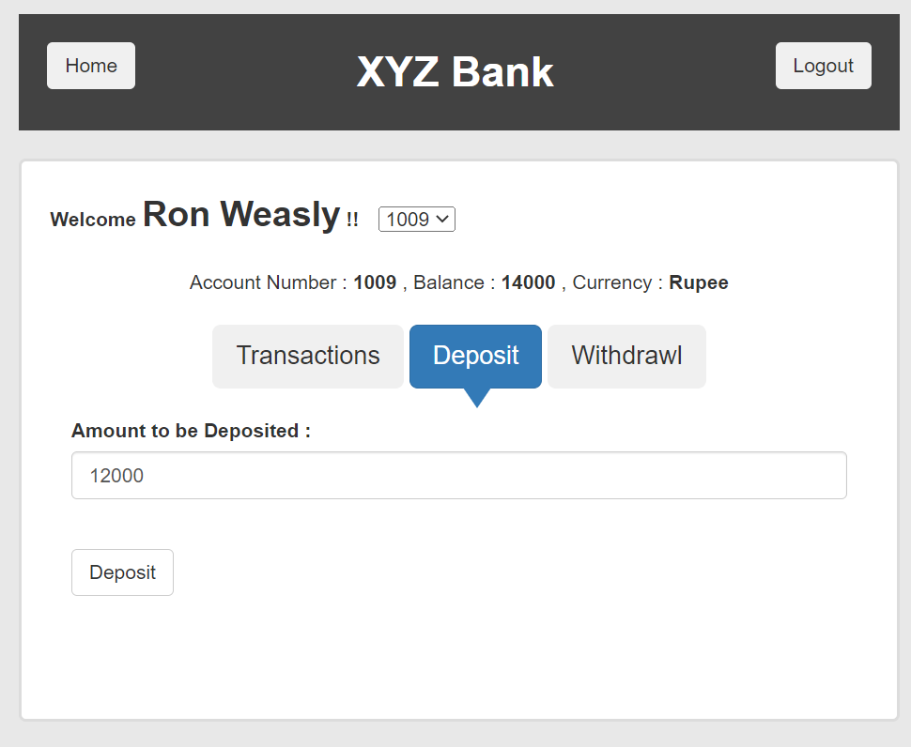
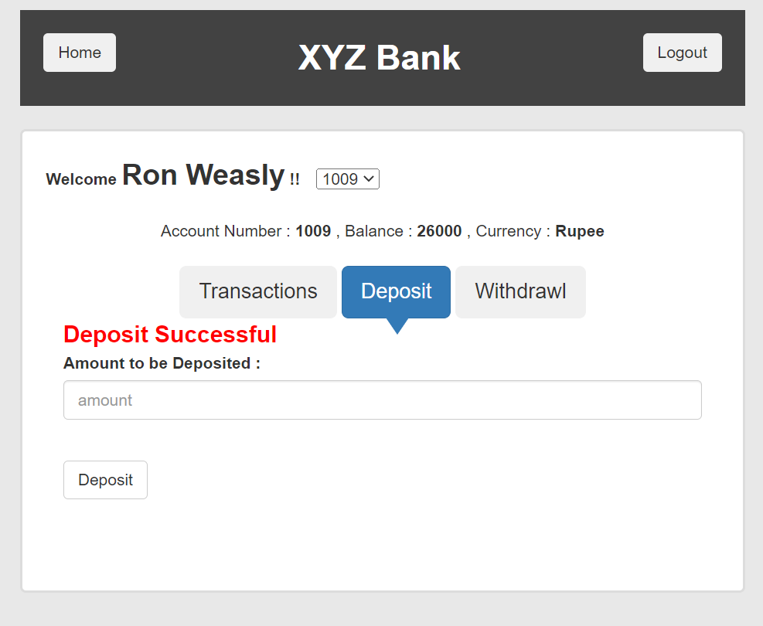

 |  |  |  |  |  |  |  |  |  |  |  |  |  | 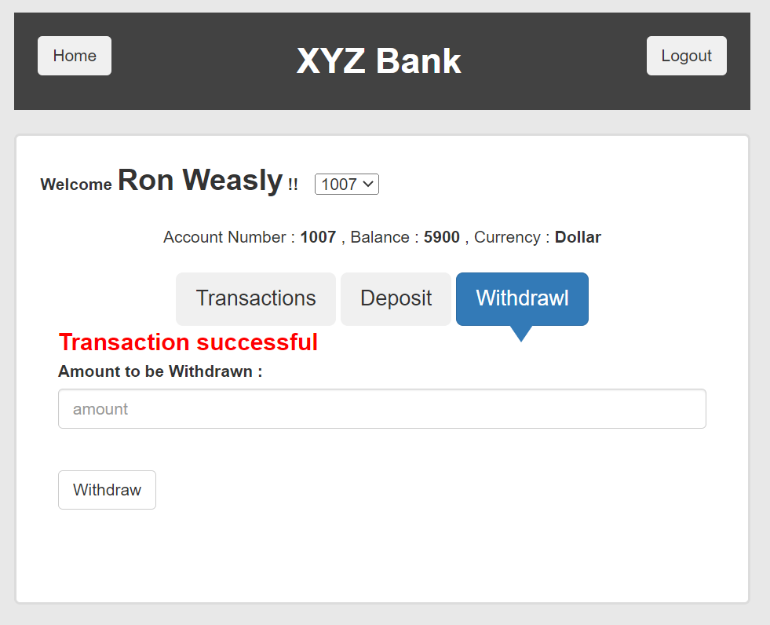 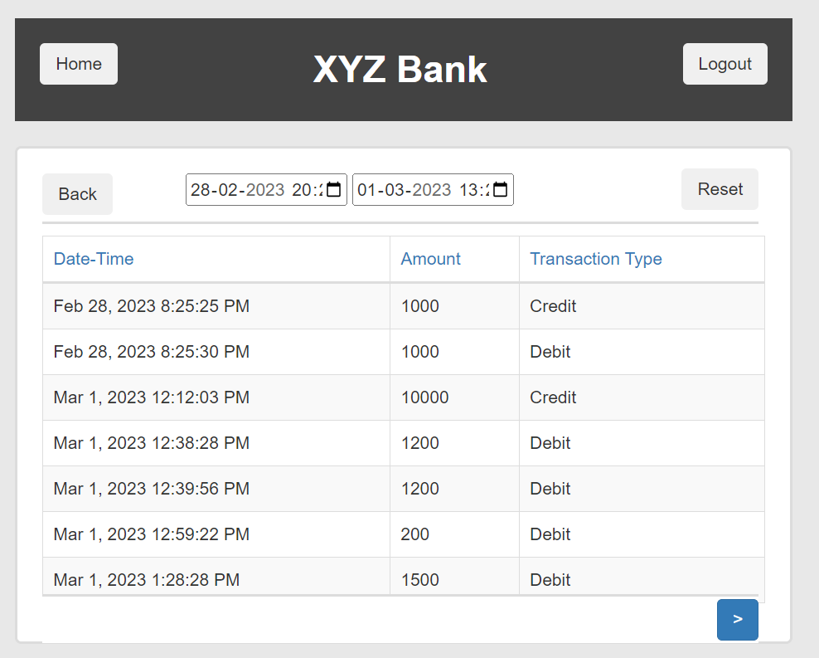 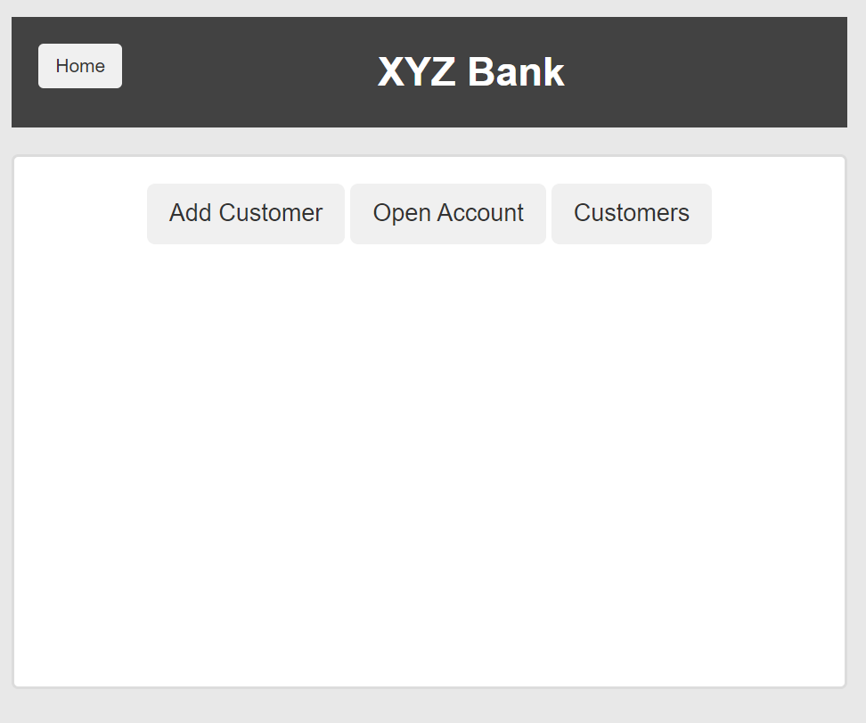
 |  |  |  |  |  |  |  |  |  |  |  |  |  | 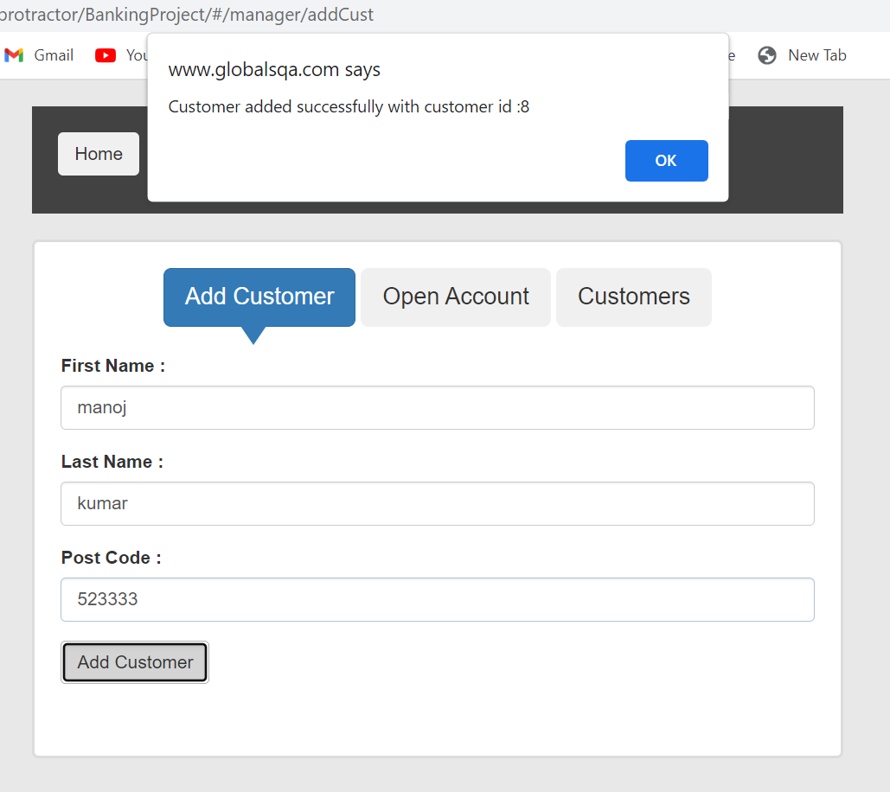
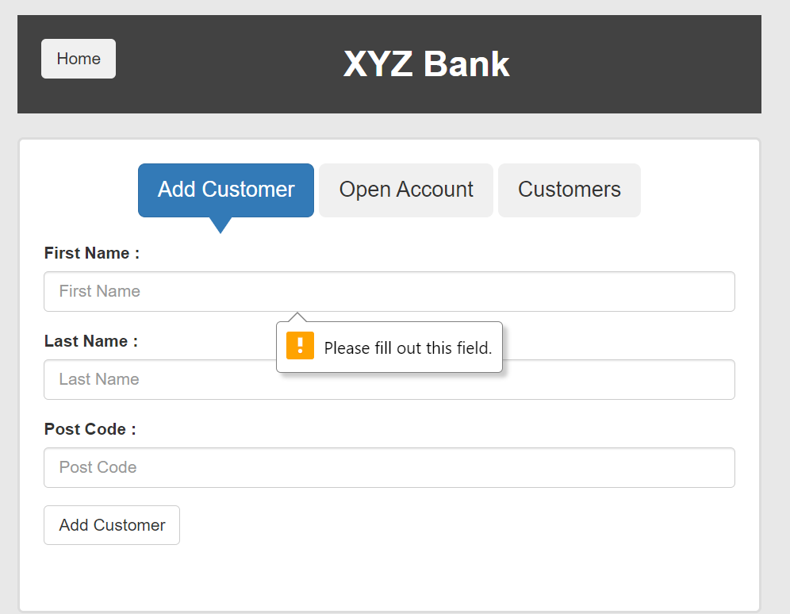
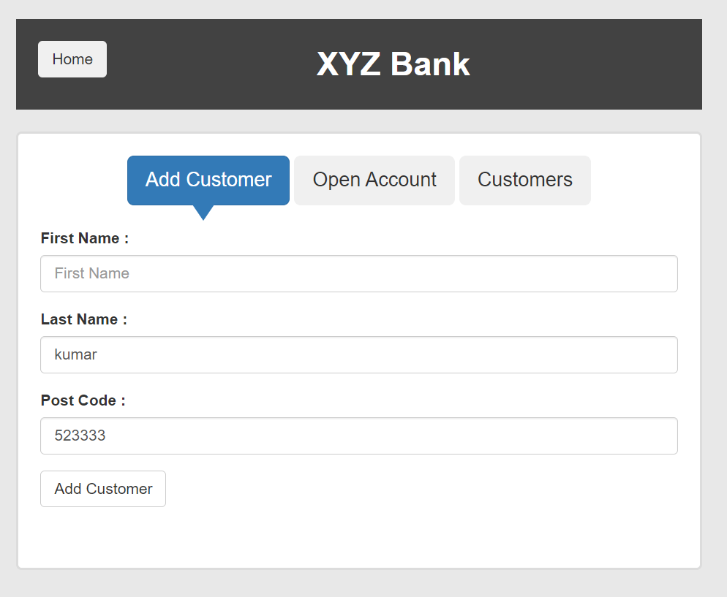

 |  |  |  |  |  |  |  |  |  |  |  |  |  | 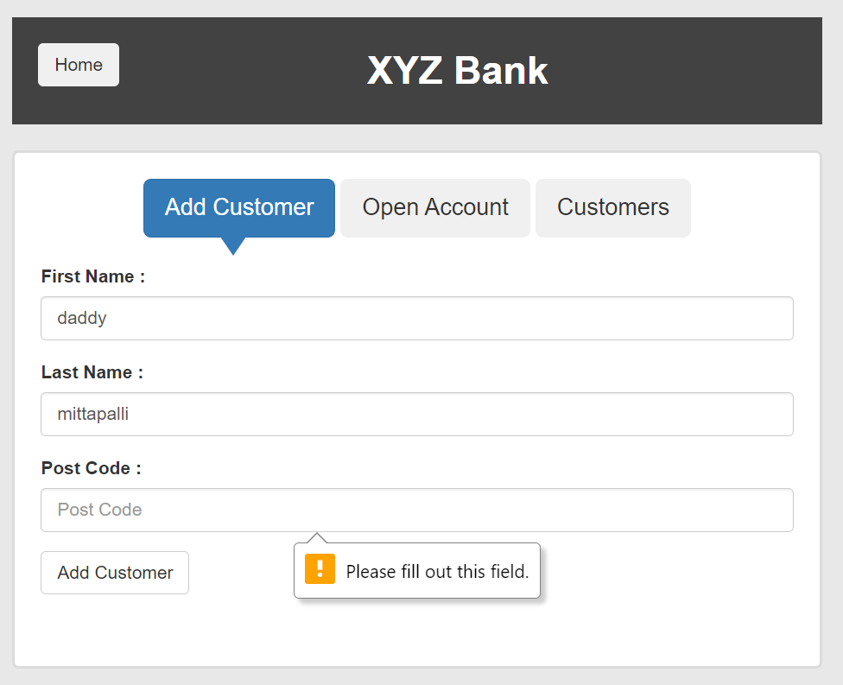 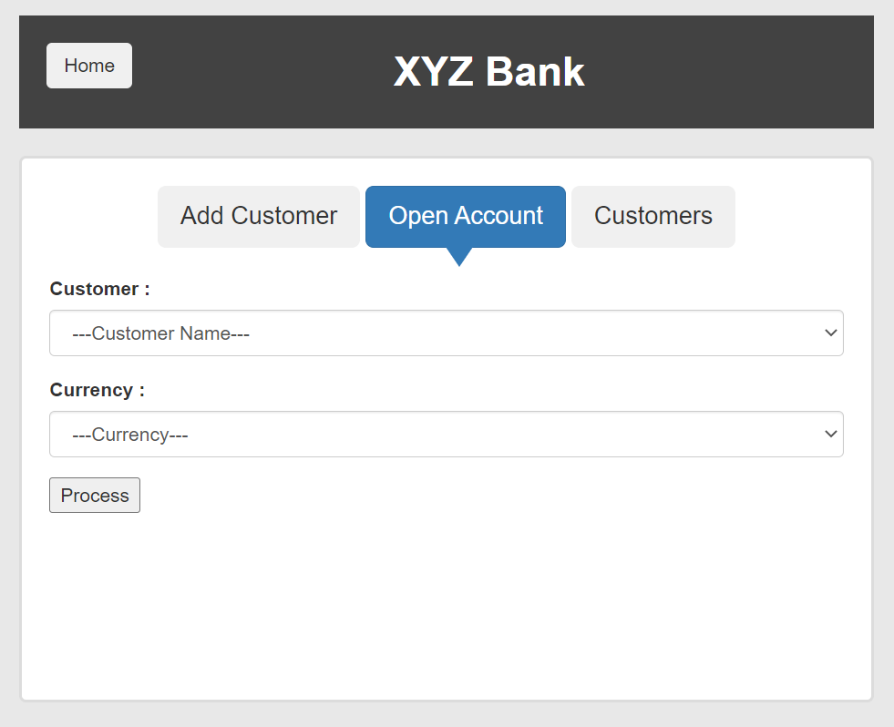 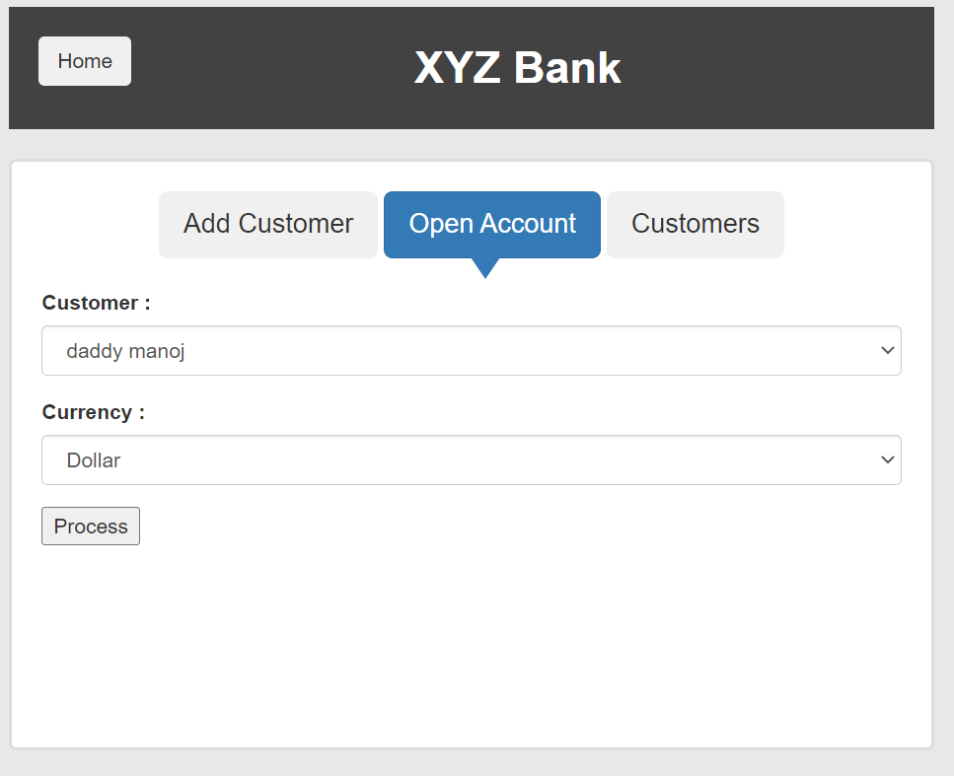 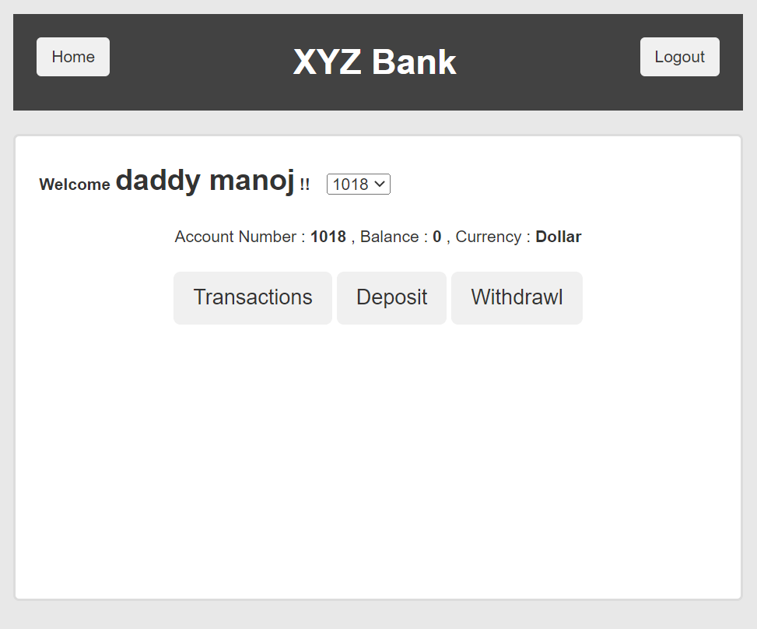

 |  |  |  |  |  |  |  |  |  |  |  |  |  | 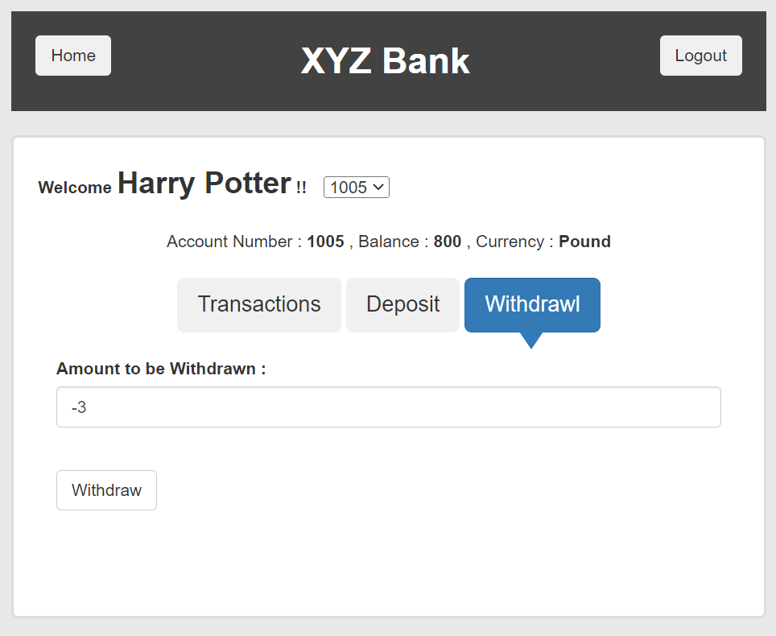 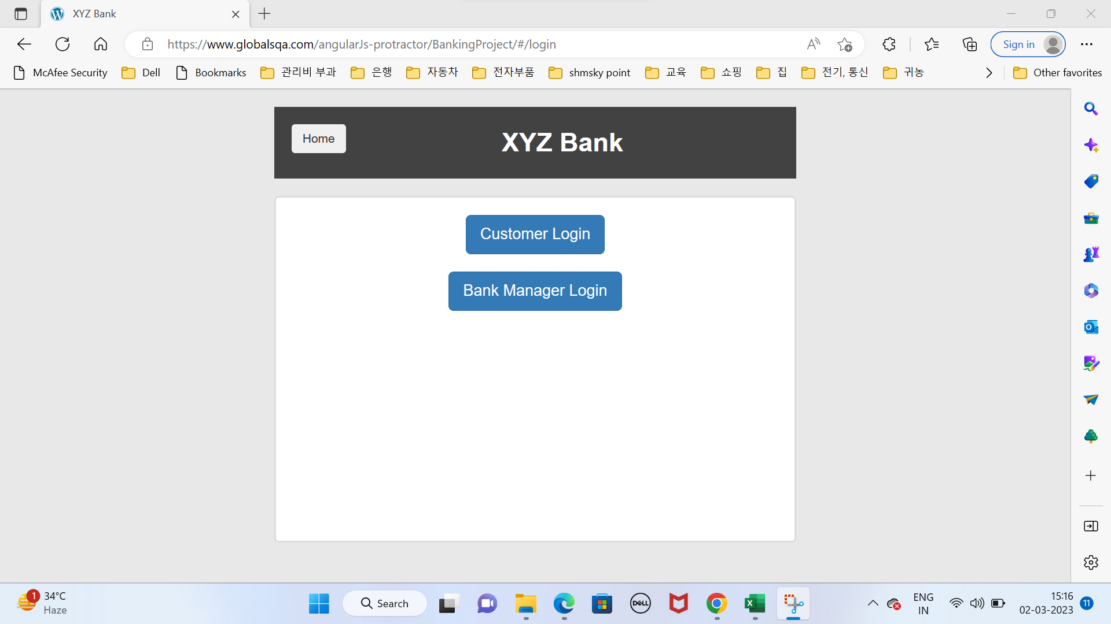

Defects
TE Name | Defect number | Project Name | Module Name | Requirement Number | Test Case ID | Summary | Description | Issues | Severity | Priority | Assign to | Screen Shots
Astha Rokade | TC_02_DT_001 | Orange HRM | Login Functionality | REQ001 | TC_02 | A pop up box of an error message should be visible after entering incorrect login id. | Verify the behavior of the login functionality when a user enter only Uppercase characters of loginID and valid password then click on login button. | The user was able to login with incorrect LoginID | High | Medium | Astha Rokade | 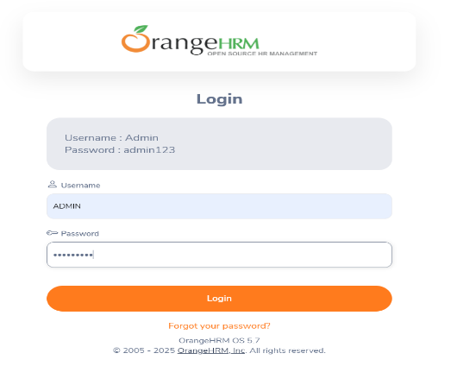
Astha Rokade | TC_03_DT_002 | Orange HRM | Login Functionality | REQ002 | TC_03 | A pop up box of an error message should be visible after entering incorrect login id. | Verify the behavior of the login functionality when a user enter only lowercase characters of loginID and valid password then click on login button. | The user was able to login with incorrect LoginID | High | Medium | Astha Rokade | 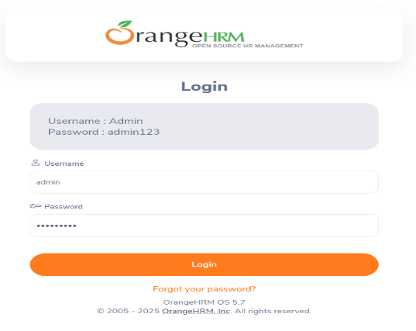
Astha Rokade | TC_08_DT_003 | Orange HRM | My Info Functionality | REQ003 | TC_08 | User should get an error message "zip code accepets only numeric value" | Verify the functionality of each and every element on the My info | user didn't get any error message | High | Medium | Astha Rokade | 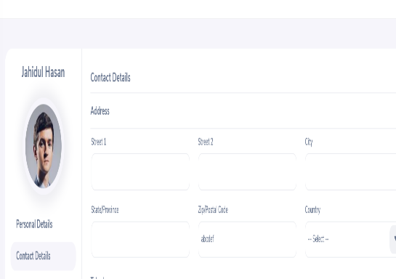
Astha Rokade | TC_08_DT_004 | Orange HRM | My Info Functionality | REQ004 | TC_09 | User should get an error message"City field required a valid city name" | Verify the functionality of each and every element on the My info | user didn't get any error message | High | Medium | Astha Rokade | 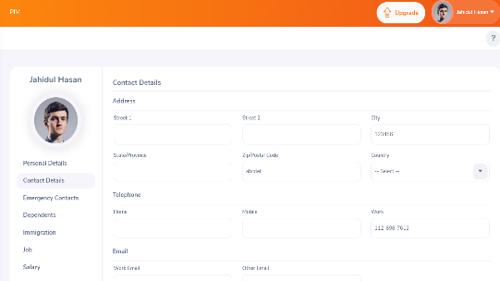
Astha Rokade | TC_16_DT_005 | Orange HRM | My Info Functionality | REQ005 | TC_16 | User should be able to search the new vacancies which was added reccently | Verify the Requrement page Functionality. Click on Candidate personal detail | User was not able to search the vacancies which were added recently | High | Medium | Astha Rokade | 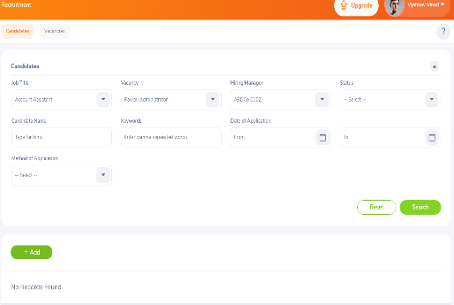

Test excution details
Test Case ID | Test Case Name | Screenshots | TestCase Execution Date | TestCase Execution Start Time | TestCase Execution END Time
TC_02 | Verify the login functionality |  | 2025-02-14 | 11:00:00 | 11:03:00
TC_03 | Verify the login functionality |  | 2025-02-14 | 11:05:00 | 11:10:00
TC_08 | Verify the user profile functionality |  | 2025-02-14 | 12:00PM | 12:10:00
TC_09 | Verify the user profile functionality |  | 2025-02-14 | 12:20:00 | 12:35:00
TC_16 | Validate the Requirement Page Functionality | 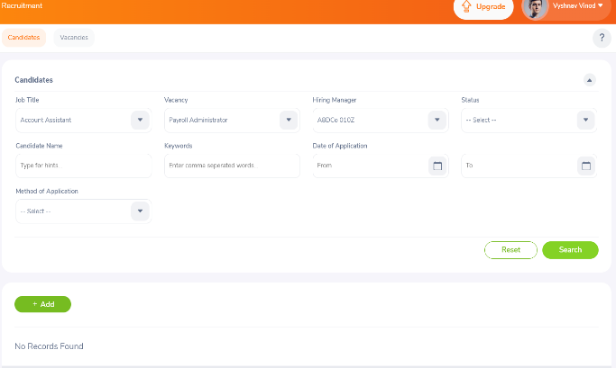 | 2025-02-14 | 12:39:00 | 12:50:00

TC_62

